Scott River - GEP
Scott River - Flow Tracking

Yellow boxes indicate a discrepincy between the predicited condition (wet/dry) and that actual observed state of the river site recorded. This is based on Figure 15: Stream conectivity base flow period of average water year, taken from the SRWC 2018 Coho Habitat Restoration Report. The figure addresses "the presence (or absence) of flow during the base flow period of summer".
Coordinates (UTM) | River/Tributary name | Month | Year | Data source | Flow? (Y/N) | Comments | Tier | Stream connectivity summer months (Avg. water year) | SRWC 2018 Fig 15 Discrepancy
10 T 515362.82 m E 4571491.01 m N | South Fork W | 7 | 2017 | Google Earth Pro | Y |  | 1st | Wet
10 T 515362.82 m E 4571491.01 m N | South Fork W | 8 | 2016 | Google Earth Pro | Y |  | 1st | Wet
10 T 515362.82 m E 4571491.01 m N | South Fork W | 7 | 2014 | Google Earth Pro | Y | Low flow | 1st | Wet
10 T 515362.82 m E 4571491.01 m N | South Fork W | 7 | 2012 | Google Earth Pro | Y |  | 1st | Wet
10 T 515362.82 m E 4571491.01 m N | South Fork W | 8 | 2010 | Google Earth Pro | Y | Unsure, Poor quality image | 1st | Wet
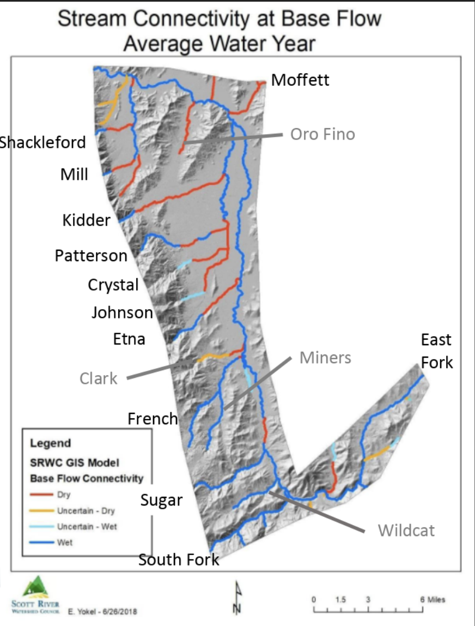
10 T 515362.82 m E 4571491.01 m N | South Fork W | 5 | 2009 | Google Earth Pro | Y | Poor quality image | 1st | Wet
10 T 515362.82 m E 4571491.01 m N | South Fork W | 6 | 2006 | Google Earth Pro | Y | Poor quality image | 1st | Wet
10 T 515362.82 m E 4571491.01 m N | South Fork W | 4 | 2006 | Google Earth Pro | Y | Poor quality image | 1st | Wet
10 T 515362.82 m E 4571491.01 m N | South Fork W | 12 | 2004 | Google Earth Pro | Y | Poor quality image | 1st | Wet
10 T 515362.82 m E 4571491.01 m N | South Fork W | 8 | 1998 | Google Earth Pro | Y | B&W Image | 1st | Wet
10 T 515362.82 m E 4571491.01 m N | South Fork W | 7 | 1994 | Google Earth Pro | Y | B&W Image | 1st | Wet
10 T 516613.99 m E 4572334.50 m N | South Fork E | 7 | 2017 | Google Earth Pro | Y |  | 2nd | Wet
10 T 516613.99 m E 4572334.50 m N | South Fork E | 8 | 2016 | Google Earth Pro | Y |  | 2nd | Wet
10 T 516613.99 m E 4572334.50 m N | South Fork E | 7 | 2014 | Google Earth Pro | Y | Low flow | 2nd | Wet
10 T 516613.99 m E 4572334.50 m N | South Fork E | 7 | 2012 | Google Earth Pro | Y | Unsure | 2nd | Wet
10 T 516613.99 m E 4572334.50 m N | South Fork E | 8 | 2010 | Google Earth Pro | Y |  | 2nd | Wet
10 T 516613.99 m E 4572334.50 m N | South Fork E | 5 | 2009 | Google Earth Pro | Y | Poor quality image | 2nd | Wet
10 T 516613.99 m E 4572334.50 m N | South Fork E | 6 | 2006 | Google Earth Pro | N | Unsure, Poor quality image | 2nd | Wet | Y
10 T 516613.99 m E 4572334.50 m N | South Fork E | 4 | 2006 | Google Earth Pro | Y | Poor quality image | 2nd | Wet
10 T 516613.99 m E 4572334.50 m N | South Fork E | 12 | 2004 | Google Earth Pro | Y |  | 2nd | Wet
10 T 516613.99 m E 4572334.50 m N | South Fork E | 6 | 2005 | Google Earth Pro | Y |  | 2nd | Wet
10 T 516613.99 m E 4572334.50 m N | South Fork E | 6 | 2004 | Google Earth Pro | Y | Poor quality image | 2nd | Wet
10 T 516613.99 m E 4572334.50 m N | South Fork E | 6 | 2003 | Google Earth Pro | Y | Poor quality image | 2nd | Wet
10 T 516613.99 m E 4572334.50 m N | South Fork E | 8 | 1998 | Google Earth Pro | Y | B&W Image | 2nd | Wet
10 T 516613.99 m E 4572334.50 m N | South Fork E | 8 | 1993 | Google Earth Pro | Y | B&W Image | 2nd | Wet
10 T 517807.24 m E 4572606.30 m N | East Fork E | 7 | 2017 | Google Earth Pro | Y |  | 2nd | Wet
10 T 517807.24 m E 4572606.30 m N | East Fork E | 8 | 2016 | Google Earth Pro | Y | Low flow | 2nd | Wet
10 T 517807.24 m E 4572606.30 m N | East Fork E | 7 | 2014 | Google Earth Pro | Y |  | 2nd | Wet
10 T 517807.24 m E 4572606.30 m N | East Fork E | 7 | 2012 | Google Earth Pro | Y |  | 2nd | Wet
10 T 517807.24 m E 4572606.30 m N | East Fork E | 8 | 2010 | Google Earth Pro | Y |  | 2nd | Wet
10 T 517807.24 m E 4572606.30 m N | East Fork E | 5 | 2009 | Google Earth Pro | Y |  | 2nd | Wet
10 T 517807.24 m E 4572606.30 m N | East Fork E | 6 | 2006 | Google Earth Pro | Y |  | 2nd | Wet
10 T 517807.24 m E 4572606.30 m N | East Fork E | 4 | 2006 | Google Earth Pro | Y |  | 2nd | Wet
10 T 517807.24 m E 4572606.30 m N | East Fork E | 12 | 2004 | Google Earth Pro | Y |  | 2nd | Wet
10 T 517807.24 m E 4572606.30 m N | East Fork E | 6 | 2005 | Google Earth Pro | Y |  | 2nd | Wet
10 T 517807.24 m E 4572606.30 m N | East Fork E | 6 | 2003 | Google Earth Pro | Y | Poor quality image | 2nd | Wet
10 T 517807.24 m E 4572606.30 m N | East Fork E | 8 | 1998 | Google Earth Pro | Y | B&W Image | 2nd | Wet
10 T 517807.24 m E 4572606.30 m N | East Fork E | 8 | 1993 | Google Earth Pro | Y | B&W Image | 2nd | Wet
10 T 516576.02 m E 4573368.97 m N | South Fork Confluence | 7 | 2017 | Google Earth Pro | Y |  | 1st | Wet
10 T 516576.02 m E 4573368.97 m N | South Fork Confluence | 8 | 2016 | Google Earth Pro | Y |  | 1st | Wet
10 T 516576.02 m E 4573368.97 m N | South Fork Confluence | 8 | 2014 | Google Earth Pro | Y | B&W Image | 1st | Wet
10 T 516576.02 m E 4573368.97 m N | South Fork Confluence | 7 | 2012 | Google Earth Pro | Y |  | 1st | Wet
10 T 516576.02 m E 4573368.97 m N | South Fork Confluence | 7 | 2010 | Google Earth Pro | Y |  | 1st | Wet
Teir categorization is based on Figure 19: Planning priority tier by stream, from the SRWC 2018 Coho Habitat Restoration Report, and ranks the most important reaches of various streams.
10 T 516576.02 m E 4573368.97 m N | South Fork Confluence | 8 | 2009 | Google Earth Pro | Y |  | 1st | Wet
10 T 516576.02 m E 4573368.97 m N | South Fork Confluence | 5 | 2004 | Google Earth Pro | Y | Poor quality image | 1st | Wet
10 T 516576.02 m E 4573368.97 m N | South Fork Confluence | 12 | 2004 | Google Earth Pro | Y | Low flow | 1st | Wet
10 T 516576.02 m E 4573368.97 m N | South Fork Confluence | 6 | 2003 | Google Earth Pro | Y | Poor quality image | 1st | Wet
10 T 516576.02 m E 4573368.97 m N | South Fork Confluence | 8 | 1998 | Google Earth Pro | Y | B&W Image | 1st | Wet
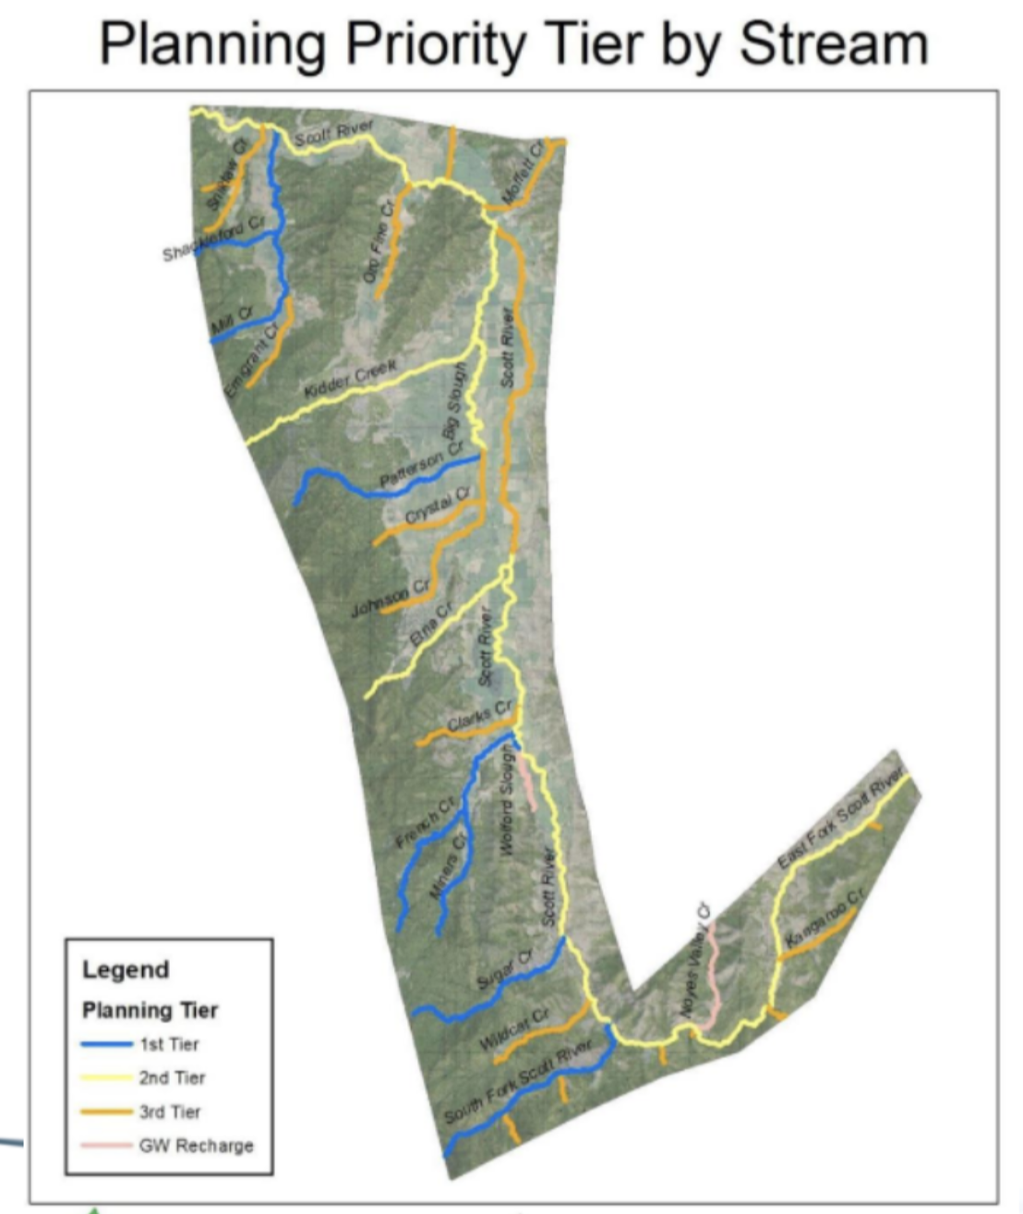
10 T 516576.02 m E 4573368.97 m N | South Fork Confluence | 8 | 1993 | Google Earth Pro | Y | B&W Image | 1st | Wet
10 T 516618.92 m E 4573434.91 m N | East Fork Confluence | 7 | 2017 | Google Earth Pro | Y |  | 2nd | Wet
10 T 516618.92 m E 4573434.91 m N | East Fork Confluence | 8 | 2016 | Google Earth Pro | Y |  | 2nd | Wet
10 T 516618.92 m E 4573434.91 m N | East Fork Confluence | 7 | 2014 | Google Earth Pro | Y |  | 2nd | Wet
10 T 516618.92 m E 4573434.91 m N | East Fork Confluence | 7 | 2012 | Google Earth Pro | Y |  | 2nd | Wet
10 T 516618.92 m E 4573434.91 m N | East Fork Confluence | 8 | 2010 | Google Earth Pro | Y |  | 2nd | Wet
10 T 516618.92 m E 4573434.91 m N | East Fork Confluence | 5 | 2009 | Google Earth Pro | Y | Poor quality image | 2nd | Wet
10 T 516618.92 m E 4573434.91 m N | East Fork Confluence | 12 | 2004 | Google Earth Pro | Y | Poor quality image | 2nd | Wet
10 T 516618.92 m E 4573434.91 m N | East Fork Confluence | 8 | 1998 | Google Earth Pro | Y | B&W Image | 2nd | Wet
10 T 516618.92 m E 4573434.91 m N | East Fork Confluence | 8 | 1993 | Google Earth Pro | Y | B&W Image | 2nd | Wet
10 T 515797.90 m E 4574336.91 m N | Wildcat Confluence | 7 | 2017 | Google Earth Pro | Y |  | 3rd | Wet
10 T 515797.90 m E 4574336.91 m N | Wildcat Confluence | 8 | 2016 | Google Earth Pro | N |  | 3rd | Wet | Y
10 T 515797.90 m E 4574336.91 m N | Wildcat Confluence | 7 | 2014 | Google Earth Pro | Y | Unsure | 3rd | Wet
10 T 515797.90 m E 4574336.91 m N | Wildcat Confluence | 7 | 2012 | Google Earth Pro | N |  | 3rd | Wet | Y
10 T 515797.90 m E 4574336.91 m N | Wildcat Confluence | 8 | 2010 | Google Earth Pro | Y | Poor quality image | 3rd | Wet
10 T 515797.90 m E 4574336.91 m N | Wildcat Confluence | 5 | 2009 | Google Earth Pro | Y | Poor quality image | 3rd | Wet
10 T 515797.90 m E 4574336.91 m N | Wildcat Confluence | 12 | 1997 | Google Earth Pro | Y | B&W Image | 3rd | Wet
10 T 515797.90 m E 4574336.91 m N | Wildcat Confluence | 7 | 1994 | Google Earth Pro | N | B&W Image | 3rd | Wet | Y
10 T 515797.90 m E 4574336.91 m N | Wildcat Confluence | 8 | 1993 | Google Earth Pro | N | B&W Image | 3rd | Wet | Y
10 T 514126.59 m E 4575666.32 m N | Sugar Creek W | 7 | 2017 | Google Earth Pro | Y |  | 1st | Wet
10 T 514126.59 m E 4575666.32 m N | Sugar Creek W | 8 | 2016 | Google Earth Pro | Y |  | 1st | Wet
10 T 514126.59 m E 4575666.32 m N | Sugar Creek W | 7 | 2014 | Google Earth Pro | Y |  | 1st | Wet
10 T 514126.59 m E 4575666.32 m N | Sugar Creek W | 7 | 2012 | Google Earth Pro | Y |  | 1st | Wet
10 T 514126.59 m E 4575666.32 m N | Sugar Creek W | 8 | 2010 | Google Earth Pro | N | Unsure | 1st | Wet | Y
10 T 514126.59 m E 4575666.32 m N | Sugar Creek W | 5 | 2009 | Google Earth Pro | Y | Unsure, Poor quality image | 1st | Wet
10 T 514126.59 m E 4575666.32 m N | Sugar Creek W | 12 | 2004 | Google Earth Pro | Y | Poor quality image | 1st | Wet
10 T 514126.59 m E 4575666.32 m N | Sugar Creek W | 12 | 1997 | Google Earth Pro | Y | B&W Image | 1st | Wet
10 T 514126.59 m E 4575666.32 m N | Sugar Creek W | 7 | 1994 | Google Earth Pro | Y | B&W Image | 1st | Wet
10 T 514459.90 m E 4576121.54 m N | Sugar Creek Confluence 2 | 7 | 2017 | Google Earth Pro | Y |  | 1st | Wet
10 T 514459.90 m E 4576121.54 m N | Sugar Creek Confluence 2 | 8 | 2016 | Google Earth Pro | Y |  | 1st | Wet
10 T 514459.90 m E 4576121.54 m N | Sugar Creek Confluence 2 | 7 | 2014 | Google Earth Pro | Y |  | 1st | Wet
10 T 514459.90 m E 4576121.54 m N | Sugar Creek Confluence 2 | 7 | 2012 | Google Earth Pro | Y |  | 1st | Wet
10 T 514459.90 m E 4576121.54 m N | Sugar Creek Confluence 2 | 8 | 2010 | Google Earth Pro | Y | Unsure | 1st | Wet
10 T 514459.90 m E 4576121.54 m N | Sugar Creek Confluence 2 | 5 | 2009 | Google Earth Pro | Y | Unsure, Poor quality image | 1st | Wet
10 T 514459.90 m E 4576121.54 m N | Sugar Creek Confluence 2 | 12 | 2004 | Google Earth Pro | Y | Unsure | 1st | Wet
10 T 514459.90 m E 4576121.54 m N | Sugar Creek Confluence 2 | 8 | 1998 | Google Earth Pro | Y | Unsure, B&W Image | 1st | Wet
10 T 514459.90 m E 4576121.54 m N | Sugar Creek Confluence 2 | 7 | 1994 | Google Earth Pro | N | Unsure, B&W Image | 1st | Wet | Y
10 T 514713.40 m E 4576733.56 m N | Sugar Creek Confluence 1 | 7 | 2017 | Google Earth Pro | Y |  | 1st | Wet
10 T 514713.40 m E 4576733.56 m N | Sugar Creek Confluence 1 | 8 | 2016 | Google Earth Pro | Y |  | 1st | Wet
10 T 514713.40 m E 4576733.56 m N | Sugar Creek Confluence 1 | 7 | 2014 | Google Earth Pro | Y | Low flow | 1st | Wet
10 T 514713.40 m E 4576733.56 m N | Sugar Creek Confluence 1 | 7 | 2012 | Google Earth Pro | Y |  | 1st | Wet
10 T 514713.40 m E 4576733.56 m N | Sugar Creek Confluence 1 | 8 | 2010 | Google Earth Pro | Y |  | 1st | Wet
10 T 514713.40 m E 4576733.56 m N | Sugar Creek Confluence 1 | 7 | 2010 | Google Earth Pro | Y |  | 1st | Wet
10 T 514713.40 m E 4576733.56 m N | Sugar Creek Confluence 1 | 5 | 2009 | Google Earth Pro | Y | Poor quality image | 1st | Wet
10 T 514713.40 m E 4576733.56 m N | Sugar Creek Confluence 1 | 6 | 2006 | Google Earth Pro | Y | Poor quality image | 1st | Wet
10 T 514713.40 m E 4576733.56 m N | Sugar Creek Confluence 1 | 4 | 2006 | Google Earth Pro | Y | Poor quality image | 1st | Wet
10 T 514713.40 m E 4576733.56 m N | Sugar Creek Confluence 1 | 12 | 2004 | Google Earth Pro | Y |  | 1st | Wet
10 T 514713.40 m E 4576733.56 m N | Sugar Creek Confluence 1 | 8 | 1998 | Google Earth Pro | Y | B&W Image | 1st | Wet
10 T 514713.40 m E 4576733.56 m N | Sugar Creek Confluence 1 | 7 | 1994 | Google Earth Pro | Y | Low flow, B&W Image | 1st | Wet
10 T 514809.36 m E 4578758.26 m N | Scott Reach 16 S (Tailings) | 7 | 2017 | Google Earth Pro | Y |  | 2nd | Dry | Y
10 T 514809.36 m E 4578758.26 m N | Scott Reach 16 S (Tailings) | 8 | 2016 | Google Earth Pro | N |  | 2nd | Dry
10 T 514809.36 m E 4578758.26 m N | Scott Reach 16 S (Tailings) | 8 | 2014 | Google Earth Pro | N | B&W Image | 2nd | Dry
10 T 514809.36 m E 4578758.26 m N | Scott Reach 16 S (Tailings) | 7 | 2014 | Google Earth Pro | N |  | 2nd | Dry
10 T 514809.36 m E 4578758.26 m N | Scott Reach 16 S (Tailings) | 12 | 2011 | Google Earth Pro | Y |  | 2nd | Dry
10 T 514809.36 m E 4578758.26 m N | Scott Reach 16 S (Tailings) | 12 | 2009 | Google Earth Pro | Y |  | 2nd | Dry
10 T 514809.36 m E 4578758.26 m N | Scott Reach 16 S (Tailings) | 5 | 2009 | Google Earth Pro | Y |  | 2nd | Dry
10 T 514809.36 m E 4578758.26 m N | Scott Reach 16 S (Tailings) | 6 | 2006 | Google Earth Pro | Y |  | 2nd | Dry | Y
10 T 514809.36 m E 4578758.26 m N | Scott Reach 16 S (Tailings) | 4 | 2006 | Google Earth Pro | Y |  | 2nd | Dry
10 T 514809.36 m E 4578758.26 m N | Scott Reach 16 S (Tailings) | 12 | 2004 | Google Earth Pro | N |  | 2nd | Dry
10 T 514809.36 m E 4578758.26 m N | Scott Reach 16 S (Tailings) | 6 | 2004 | Google Earth Pro | Y | Low flow | 2nd | Dry | Y
10 T 514809.36 m E 4578758.26 m N | Scott Reach 16 S (Tailings) | 12 | 2002 | Google Earth Pro | Y |  | 2nd | Dry
10 T 514809.36 m E 4578758.26 m N | Scott Reach 16 S (Tailings) | 8 | 1998 | Google Earth Pro | N | Some water present, B&W Image | 2nd | Dry
10 T 514809.36 m E 4578758.26 m N | Scott Reach 16 S (Tailings) | 7 | 1994 | Google Earth Pro | N | B&W Image | 2nd | Dry
10 T 514272.85 m E 4581868.6 m N | Scott Reach 16 N | 7 | 2017 | Google Earth Pro | Y |  | 2nd | Wet
10 T 514272.85 m E 4581868.6 m N | Scott Reach 16 N | 8 | 2016 | Google Earth Pro | Y | Low flow | 2nd | Wet
10 T 514272.85 m E 4581868.6 m N | Scott Reach 16 N | 7 | 2014 | Google Earth Pro | Y | Low flow | 2nd | Wet
10 T 514272.85 m E 4581868.6 m N | Scott Reach 16 N | 7 | 2012 | Google Earth Pro | Y |  | 2nd | Wet
10 T 514272.85 m E 4581868.6 m N | Scott Reach 16 N | 7 | 2010 | Google Earth Pro | Y |  | 2nd | Wet
10 T 514272.85 m E 4581868.6 m N | Scott Reach 16 N | 5 | 2009 | Google Earth Pro | N | Low flow | 2nd | Wet
10 T 514272.85 m E 4581868.6 m N | Scott Reach 16 N | 6 | 2006 | Google Earth Pro | Y |  | 2nd | Wet
10 T 514272.85 m E 4581868.6 m N | Scott Reach 16 N | 4 | 2006 | Google Earth Pro | Y |  | 2nd | Wet
10 T 514272.85 m E 4581868.6 m N | Scott Reach 16 N | 12 | 2004 | Google Earth Pro | Y |  | 2nd | Wet
10 T 514272.85 m E 4581868.6 m N | Scott Reach 16 N | 6 | 2004 | Google Earth Pro | Y | Low flow | 2nd | Wet
10 T 514272.85 m E 4581868.6 m N | Scott Reach 16 N | 6 | 2003 | Google Earth Pro | N |  | 2nd | Wet | Y
10 T 514272.85 m E 4581868.6 m N | Scott Reach 16 N | 12 | 1997 | Google Earth Pro | Y | B&W Image | 2nd | Wet
10 T 514272.85 m E 4581868.6 m N | Scott Reach 16 N | 12 | 1993 | Google Earth Pro | Y | Low flow, B&W Image | 2nd | Wet
10 T 513033.53 m E 4584150.79 m N | Scott Reach 15 | 7 | 2017 | Google Earth Pro | Y | Low flow | 2nd | Wet
10 T 513033.53 m E 4584150.79 m N | Scott Reach 15 | 8 | 2016 | Google Earth Pro | Y |  | 2nd | Wet
10 T 513033.53 m E 4584150.79 m N | Scott Reach 15 | 7 | 2014 | Google Earth Pro | Y |  | 2nd | Wet
10 T 513033.53 m E 4584150.79 m N | Scott Reach 15 | 7 | 2012 | Google Earth Pro | Y |  | 2nd | Wet
10 T 513033.53 m E 4584150.79 m N | Scott Reach 15 | 7 | 2010 | Google Earth Pro | N | Some water present | 2nd | Wet | Y
10 T 513033.53 m E 4584150.79 m N | Scott Reach 15 | 5 | 2009 | Google Earth Pro | N | Some water present | 2nd | Wet | Y
10 T 513033.53 m E 4584150.79 m N | Scott Reach 15 | 6 | 2006 | Google Earth Pro | Y |  | 2nd | Wet
10 T 513033.53 m E 4584150.79 m N | Scott Reach 15 | 4 | 2006 | Google Earth Pro | Y |  | 2nd | Wet
10 T 513033.53 m E 4584150.79 m N | Scott Reach 15 | 12 | 2004 | Google Earth Pro | Y |  | 2nd | Wet
10 T 513033.53 m E 4584150.79 m N | Scott Reach 15 | 6 | 2004 | Google Earth Pro | Y |  | 2nd | Wet
10 T 513033.53 m E 4584150.79 m N | Scott Reach 15 | 6 | 2003 | Google Earth Pro | Y |  | 2nd | Wet
10 T 513033.53 m E 4584150.79 m N | Scott Reach 15 | 8 | 1998 | Google Earth Pro | Y | B&W Image | 2nd | Wet
10 T 513033.53 m E 4584150.79 m N | Scott Reach 15 | 7 | 1994 | Google Earth Pro | Y | Low flow, B&W Image | 2nd | Wet
10 T 510770.24 m E 4581679.75 m N | Miners | 7 | 2017 | Google Earth Pro | N |  | 1st | Wet | Y
10 T 510770.24 m E 4581679.75 m N | Miners | 8 | 2016 | Google Earth Pro | N |  | 1st | Wet | Y
10 T 510770.24 m E 4581679.75 m N | Miners | 7 | 2014 | Google Earth Pro | N |  | 1st | Wet | Y
10 T 510770.24 m E 4581679.75 m N | Miners | 7 | 2012 | Google Earth Pro | N |  | 1st | Wet | Y
10 T 510770.24 m E 4581679.75 m N | Miners | 7 | 2010 | Google Earth Pro | N | Poor quality image | 1st | Wet | Y
10 T 510770.24 m E 4581679.75 m N | Miners | 5 | 2009 | Google Earth Pro | N | Poor quality image | 1st | Wet | Y
10 T 510770.24 m E 4581679.75 m N | Miners | 12 | 2004 | Google Earth Pro | N | Unsure, Poor quality image | 1st | Wet | Y
10 T 510770.24 m E 4581679.75 m N | Miners | 8 | 1998 | Google Earth Pro | N | B&W Image | 1st | Wet | Y
10 T 510770.24 m E 4581679.75 m N | Miners | 7 | 1994 | Google Earth Pro | N | B&W Image | 1st | Wet | Y
10 T 511212.00 m E 4583995.75m N | French W | 7 | 2017 | Google Earth Pro | Y |  | 1st | Wet
10 T 511212.00 m E 4583995.75m N | French W | 8 | 2016 | Google Earth Pro | Y |  | 1st | Wet
10 T 511212.00 m E 4583995.75m N | French W | 7 | 2014 | Google Earth Pro | Y |  | 1st | Wet
10 T 511212.00 m E 4583995.75m N | French W | 7 | 2012 | Google Earth Pro | Y | Low flow | 1st | Wet
10 T 511212.00 m E 4583995.75m N | French W | 7 | 2010 | Google Earth Pro | Y |  | 1st | Wet
10 T 511212.00 m E 4583995.75m N | French W | 5 | 2009 | Google Earth Pro | N | Poor quality image | 1st | Wet | Y
10 T 511212.00 m E 4583995.75m N | French W | 6 | 2006 | Google Earth Pro | N | Poor quality image | 1st | Wet | Y
10 T 511212.00 m E 4583995.75m N | French W | 4 | 2006 | Google Earth Pro | Y | Low flow, Poor quality image | 1st | Wet
10 T 511212.00 m E 4583995.75m N | French W | 12 | 2004 | Google Earth Pro | Y |  | 1st | Wet
10 T 511212.00 m E 4583995.75m N | French W | 6 | 2003 | Google Earth Pro | Y | Poor quality image | 1st | Wet
10 T 511212.00 m E 4583995.75m N | French W | 8 | 1998 | Google Earth Pro | Y | B&W Image | 1st | Wet
10 T 511212.00 m E 4583995.75m N | French W | 7 | 1994 | Google Earth Pro | N | B&W Image | 1st | Wet | Y
10 T 512612.92 m E 4584922.38 m N | French Confluence | 7 | 2017 | Google Earth Pro | Y |  | 1st | Wet
10 T 512612.92 m E 4584922.38 m N | French Confluence | 8 | 2016 | Google Earth Pro | Y | Low flow | 1st | Wet
10 T 512612.92 m E 4584922.38 m N | French Confluence | 7 | 2014 | Google Earth Pro | Y |  | 1st | Wet
10 T 512612.92 m E 4584922.38 m N | French Confluence | 7 | 2012 | Google Earth Pro | Y |  | 1st | Wet
10 T 512612.92 m E 4584922.38 m N | French Confluence | 7 | 2010 | Google Earth Pro | Y |  | 1st | Wet
10 T 512612.92 m E 4584922.38 m N | French Confluence | 5 | 2009 | Google Earth Pro | Y | Low flow | 1st | Wet
10 T 512612.92 m E 4584922.38 m N | French Confluence | 6 | 2006 | Google Earth Pro | N |  | 1st | Wet | Y
10 T 512612.92 m E 4584922.38 m N | French Confluence | 4 | 2006 | Google Earth Pro | Y | Low flow | 1st | Wet
10 T 512612.92 m E 4584922.38 m N | French Confluence | 12 | 2004 | Google Earth Pro | N |  | 1st | Wet | Y
10 T 512612.92 m E 4584922.38 m N | French Confluence | 6 | 2003 | Google Earth Pro | Y | Poor quality image | 1st | Wet
10 T 512612.92 m E 4584922.38 m N | French Confluence | 8 | 1998 | Google Earth Pro | Y | B&W Image | 1st | Wet
10 T 512612.92 m E 4584922.38 m N | French Confluence | 7 | 1994 | Google Earth Pro | Y | B&W Image | 1st | Wet
10 T 511927.14 m E 4588513.29 m N | Scott Reach 14 | 7 | 2017 | Google Earth Pro | Y |  | 2nd | Wet
10 T 511927.14 m E 4588513.29 m N | Scott Reach 14 | 8 | 2016 | Google Earth Pro | Y |  | 2nd | Wet
10 T 511927.14 m E 4588513.29 m N | Scott Reach 14 | 7 | 2014 | Google Earth Pro | Y |  | 2nd | Wet
10 T 511927.14 m E 4588513.29 m N | Scott Reach 14 | 7 | 2012 | Google Earth Pro | Y |  | 2nd | Wet
10 T 511927.14 m E 4588513.29 m N | Scott Reach 14 | 7 | 2010 | Google Earth Pro | Y |  | 2nd | Wet
10 T 511927.14 m E 4588513.29 m N | Scott Reach 14 | 5 | 2009 | Google Earth Pro | N | Some water present | 2nd | Wet | Y
10 T 511927.14 m E 4588513.29 m N | Scott Reach 14 | 6 | 2006 | Google Earth Pro | N | Some water present | 2nd | Wet | Y
10 T 511927.14 m E 4588513.29 m N | Scott Reach 14 | 4 | 2006 | Google Earth Pro | N | Some water present | 2nd | Wet | Y
10 T 511927.14 m E 4588513.29 m N | Scott Reach 14 | 12 | 2004 | Google Earth Pro | Y |  | 2nd | Wet
10 T 511927.14 m E 4588513.29 m N | Scott Reach 14 | 6 | 2004 | Google Earth Pro | Y | Poor quality image | 2nd | Wet
10 T 511927.14 m E 4588513.29 m N | Scott Reach 14 | 6 | 2003 | Google Earth Pro | Y | High flow | 2nd | Wet
10 T 511927.14 m E 4588513.29 m N | Scott Reach 14 | 8 | 1998 | Google Earth Pro | Y | B&W Image | 2nd | Wet
10 T 511927.14 m E 4588513.29 m N | Scott Reach 14 | 7 | 1994 | Google Earth Pro | Y | B&W Image | 2nd | Wet
10 T 512392.88 m E 4590771.81 m N | Scott Reach 13 | 7 | 2017 | Google Earth Pro | Y |  | 2nd | Wet
10 T 512392.88 m E 4590771.81 m N | Scott Reach 13 | 8 | 2016 | Google Earth Pro | Y |  | 2nd | Wet
10 T 512392.88 m E 4590771.81 m N | Scott Reach 13 | 7 | 2014 | Google Earth Pro | Y |  | 2nd | Wet
10 T 512392.88 m E 4590771.81 m N | Scott Reach 13 | 7 | 2012 | Google Earth Pro | Y |  | 2nd | Wet
10 T 512392.88 m E 4590771.81 m N | Scott Reach 13 | 7 | 2010 | Google Earth Pro | Y |  | 2nd | Wet
10 T 512392.88 m E 4590771.81 m N | Scott Reach 13 | 12 | 2009 | Google Earth Pro | Y |  | 2nd | Wet
10 T 512392.88 m E 4590771.81 m N | Scott Reach 13 | 5 | 2009 | Google Earth Pro | Y |  | 2nd | Wet
10 T 512392.88 m E 4590771.81 m N | Scott Reach 13 | 6 | 2005 | Google Earth Pro | Y | Low flow | 2nd | Wet
10 T 512392.88 m E 4590771.81 m N | Scott Reach 13 | 4 | 2006 | Google Earth Pro | Y | Low flow | 2nd | Wet
10 T 512392.88 m E 4590771.81 m N | Scott Reach 13 | 12 | 2004 | Google Earth Pro | Y |  | 2nd | Wet
10 T 512392.88 m E 4590771.81 m N | Scott Reach 13 | 6 | 2004 | Google Earth Pro | Y | Poor quality image | 2nd | Wet
10 T 512392.88 m E 4590771.81 m N | Scott Reach 13 | 6 | 2003 | Google Earth Pro | Y | High flow | 2nd | Wet
10 T 512392.88 m E 4590771.81 m N | Scott Reach 13 | 8 | 1998 | Google Earth Pro | Y | B&W Image | 2nd | Wet
10 T 512392.88 m E 4590771.81 m N | Scott Reach 13 | 7 | 1994 | Google Earth Pro | Y | B&W Image | 2nd | Wet
10 T 511174.73 m E 4590423.05 m N | Etna W | 7 | 2017 | Google Earth Pro | N |  | 2nd | Dry
10 T 511174.73 m E 4590423.05 m N | Etna W | 8 | 2016 | Google Earth Pro | N |  | 2nd | Dry
10 T 511174.73 m E 4590423.05 m N | Etna W | 7 | 2014 | Google Earth Pro | N |  | 2nd | Dry
10 T 511174.73 m E 4590423.05 m N | Etna W | 7 | 2012 | Google Earth Pro | N |  | 2nd | Dry
10 T 511174.73 m E 4590423.05 m N | Etna W | 7 | 2010 | Google Earth Pro | N |  | 2nd | Dry
10 T 511174.73 m E 4590423.05 m N | Etna W | 5 | 2009 | Google Earth Pro | N | Some water present | 2nd | Dry
10 T 511174.73 m E 4590423.05 m N | Etna W | 6 | 2006 | Google Earth Pro | N |  | 2nd | Dry
10 T 511174.73 m E 4590423.05 m N | Etna W | 4 | 2006 | Google Earth Pro | N |  | 2nd | Dry
10 T 511174.73 m E 4590423.05 m N | Etna W | 12 | 2004 | Google Earth Pro | N |  | 2nd | Dry
10 T 511174.73 m E 4590423.05 m N | Etna W | 6 | 2004 | Google Earth Pro | N | Poor quality image | 2nd | Dry
10 T 511174.73 m E 4590423.05 m N | Etna W | 6 | 2003 | Google Earth Pro | Y | Low flow, Poor quality image | 2nd | Dry | Y
10 T 511174.73 m E 4590423.05 m N | Etna W | 8 | 1998 | Google Earth Pro | N | B&W Image | 2nd | Dry
10 T 511174.73 m E 4590423.05 m N | Etna W | 7 | 1994 | Google Earth Pro | N | B&W Image | 2nd | Dry
10 T 512478.57 m E 4591685.84 m N | Enta Confluence | 7 | 2017 | Google Earth Pro | N |  | 2nd | Dry
10 T 512478.57 m E 4591685.84 m N | Enta Confluence | 8 | 2016 | Google Earth Pro | N |  | 2nd | Dry
10 T 512478.57 m E 4591685.84 m N | Enta Confluence | 7 | 2014 | Google Earth Pro | N |  | 2nd | Dry
10 T 512478.57 m E 4591685.84 m N | Enta Confluence | 7 | 2012 | Google Earth Pro | N |  | 2nd | Dry
10 T 512478.57 m E 4591685.84 m N | Enta Confluence | 7 | 2010 | Google Earth Pro | N |  | 2nd | Dry
10 T 512478.57 m E 4591685.84 m N | Enta Confluence | 6 | 2010 | Google Earth Pro | Y |  | 2nd | Dry | Y
10 T 512478.57 m E 4591685.84 m N | Enta Confluence | 5 | 2009 | Google Earth Pro | N |  | 2nd | Dry
10 T 512478.57 m E 4591685.84 m N | Enta Confluence | 6 | 2006 | Google Earth Pro | N | Poor quality image | 2nd | Dry
10 T 512478.57 m E 4591685.84 m N | Enta Confluence | 4 | 2006 | Google Earth Pro | N | Poor quality image | 2nd | Dry
10 T 512478.57 m E 4591685.84 m N | Enta Confluence | 12 | 2004 | Google Earth Pro | N |  | 2nd | Dry
10 T 512478.57 m E 4591685.84 m N | Enta Confluence | 6 | 2004 | Google Earth Pro | N | Poor quality image | 2nd | Dry
10 T 512478.57 m E 4591685.84 m N | Enta Confluence | 6 | 2003 | Google Earth Pro | Y | Poor quality image | 2nd | Dry | Y
10 T 512478.57 m E 4591685.84 m N | Enta Confluence | 8 | 1998 | Google Earth Pro | N | B&W Image | 2nd | Dry
10 T 512478.57 m E 4591685.84 m N | Enta Confluence | 7 | 1994 | Google Earth Pro | N | B&W Image | 2nd | Dry
10 T 512750.11 m E 4593023.98 m N | Scott Reach 12 | 7 | 2017 | Google Earth Pro | Y |  | 3rd | Wet
10 T 512750.11 m E 4593023.98 m N | Scott Reach 12 | 8 | 2016 | Google Earth Pro | Y |  | 3rd | Wet
10 T 512750.11 m E 4593023.98 m N | Scott Reach 12 | 7 | 2014 | Google Earth Pro | Y |  | 3rd | Wet
10 T 512750.11 m E 4593023.98 m N | Scott Reach 12 | 7 | 2012 | Google Earth Pro | Y |  | 3rd | Wet
10 T 512750.11 m E 4593023.98 m N | Scott Reach 12 | 6 | 2010 | Google Earth Pro | Y |  | 3rd | Wet
10 T 512750.11 m E 4593023.98 m N | Scott Reach 12 | 5 | 2009 | Google Earth Pro | Y | Low flow | 3rd | Wet
10 T 512750.11 m E 4593023.98 m N | Scott Reach 12 | 6 | 2006 | Google Earth Pro | Y |  | 3rd | Wet
10 T 512750.11 m E 4593023.98 m N | Scott Reach 12 | 4 | 2006 | Google Earth Pro | Y |  | 3rd | Wet
10 T 512750.11 m E 4593023.98 m N | Scott Reach 12 | 12 | 2004 | Google Earth Pro | Y |  | 3rd | Wet
10 T 512750.11 m E 4593023.98 m N | Scott Reach 12 | 12 | 2003 | Google Earth Pro | Y | Poor quality image | 3rd | Wet
10 T 512750.11 m E 4593023.98 m N | Scott Reach 12 | 6 | 2003 | Google Earth Pro | Y | High flow | 3rd | Wet
10 T 512750.11 m E 4593023.98 m N | Scott Reach 12 | 8 | 1998 | Google Earth Pro | Y | B&W Image | 3rd | Wet
10 T 512750.11 m E 4593023.98 m N | Scott Reach 12 | 7 | 1994 | Google Earth Pro | Y | B&W Image | 3rd | Wet
10 T 507975.26 m E 4594597.92 m N | Patterson West | 7 | 2017 | Google Earth Pro | N |  | 1st | Dry
10 T 507975.26 m E 4594597.92 m N | Patterson West | 8 | 2016 | Google Earth Pro | N |  | 1st | Dry
10 T 507975.26 m E 4594597.92 m N | Patterson West | 7 | 2014 | Google Earth Pro | N |  | 1st | Dry
10 T 507975.26 m E 4594597.92 m N | Patterson West | 7 | 2012 | Google Earth Pro | N |  | 1st | Dry
10 T 507975.26 m E 4594597.92 m N | Patterson West | 6 | 2010 | Google Earth Pro | Y |  | 1st | Dry | Y
10 T 507975.26 m E 4594597.92 m N | Patterson West | 5 | 2009 | Google Earth Pro | N |  | 1st | Dry
10 T 507975.26 m E 4594597.92 m N | Patterson West | 6 | 2006 | Google Earth Pro | N |  | 1st | Dry
10 T 507975.26 m E 4594597.92 m N | Patterson West | 4 | 2006 | Google Earth Pro | N |  | 1st | Dry
10 T 507975.26 m E 4594597.92 m N | Patterson West | 12 | 2005 | Google Earth Pro | N |  | 1st | Dry
10 T 507975.26 m E 4594597.92 m N | Patterson West | 6 | 2004 | Google Earth Pro | N | Poor quality image | 1st | Dry
10 T 507975.26 m E 4594597.92 m N | Patterson West | 6 | 2003 | Google Earth Pro | Y | Poor quality image | 1st | Dry | Y
10 T 507975.26 m E 4594597.92 m N | Patterson West | 8 | 1998 | Google Earth Pro | N | B&W Image | 1st | Dry
10 T 507975.26 m E 4594597.92 m N | Patterson West | 8 | 1993 | Google Earth Pro | N | B&W Image | 1st | Dry
10 T 511321.25 m E 4596091.80 m N | Patterson Confluence | 7 | 2017 | Google Earth Pro | N |  | 1st | Dry
10 T 511321.25 m E 4596091.80 m N | Patterson Confluence | 8 | 2016 | Google Earth Pro | N |  | 1st | Dry
10 T 511321.25 m E 4596091.80 m N | Patterson Confluence | 7 | 2014 | Google Earth Pro | N |  | 1st | Dry
10 T 511321.25 m E 4596091.80 m N | Patterson Confluence | 7 | 2012 | Google Earth Pro | N |  | 1st | Dry
10 T 511321.25 m E 4596091.80 m N | Patterson Confluence | 6 | 2010 | Google Earth Pro | Y |  | 1st | Dry | Y
10 T 511321.25 m E 4596091.80 m N | Patterson Confluence | 5 | 2009 | Google Earth Pro | N | Poor quality image | 1st | Dry
10 T 511321.25 m E 4596091.80 m N | Patterson Confluence | 6 | 2006 | Google Earth Pro | N | Poor quality image | 1st | Dry
10 T 511321.25 m E 4596091.80 m N | Patterson Confluence | 4 | 2006 | Google Earth Pro | N | Poor quality image | 1st | Dry
10 T 511321.25 m E 4596091.80 m N | Patterson Confluence | 12 | 2004 | Google Earth Pro | N |  | 1st | Dry
10 T 511321.25 m E 4596091.80 m N | Patterson Confluence | 6 | 2004 | Google Earth Pro | N | Poor quality image | 1st | Dry
10 T 511321.25 m E 4596091.80 m N | Patterson Confluence | 6 | 2003 | Google Earth Pro | Y | Poor quality image | 1st | Dry | Y
10 T 511321.25 m E 4596091.80 m N | Patterson Confluence | 8 | 1998 | Google Earth Pro | N | B&W Image | 1st | Dry
10 T 511321.25 m E 4596091.80 m N | Patterson Confluence | 8 | 1993 | Google Earth Pro | N | B&W Image | 1st | Dry
10 T 513159.71 m E 4598797.08 m N | Scott S of Hamlin Gulch | 7 | 2017 | Google Earth Pro | Y |  | 3rd | Wet
...

Scott River - SP
...
List of compromised sites which were unusable with Sentinelhub Playground:
- South Fork W
- South Fork E
- East Fork E
- South Fork Confuence
- East Fork Confluence
- wildcat confluence
- Sugar Creek confluence 1
- Sugar Creek Confluence 2
- Sugar Creek W
- Miners
- French W
- French Confluence
- Etna Confluence
- Patterson Confluence
- Kidder Confluence
- Big Slough Confluence
- Shackleford N
- Mill N
- Mill W
- Moffett Confluence
- Moffett N
Estimated tansition date: Dry to Wet |  | Estimated transition date: Wet to Dry |  | Comments | Certainty
Year | Day - Month | Year | Day - Month
2019 | Dec 9th | 2019 | Jul 27th
2018 | Nov 24th | 2018 | Jun 12th
2017 | Nov 14th | 2017 | Jul 22nd
2016 | Nov 4th | 2016 | Jul 27th
2019 | ∕ | 2019 | ∕ | Wet year-round
2018 | Sept 20th | 2018 | Aug 26th
2017 | ∕ | 2017 | ∕ | Wet year-round
2016 | ∕ | 2016 | ∕ | Wet year-round
2019 | ∕ | 2019 | ∕ | Wet year-round | Uncertain
2018 | ∕ | 2018 | ∕ | Wet year-round | Uncertain
2017 | ∕ | 2017 | ∕ | Wet year-round
2016 | ∕ | 2016 | ∕ | Wet year-round
2019 | ∕ | 2019 | ∕ | Wet year-round | Uncertain
2018 | ∕ | 2018 | ∕ | Wet year-round | Uncertain
2017 | ∕ | 2017 | ∕ | Wet year-round
2016 | ∕ | 2016 | ∕ | Wet year-round
2019 | ∕ | 2019 | ∕ | Wet year-round
2018 | Sept 25th | 2018 | Aug 26th
2017 | ∕ | 2017 | ∕ | Wet year-round
2016 | ∕ | 2016 | ∕ | Wet year-round
2019 | ∕ | 2019 | ∕ | Wet year-round
2018 | Oct 10th | 2018 | Jul 27th
2017 | ∕ | 2017 | ∕ | Wet year-round
2016 | ∕ | 2016 | ∕ | Wet year-round
2019 | ∕ | 2019 | ∕
2018 | Sept 5th | 2018 | Aug 6th
2017 | ∕ | 2017 | ∕ | Wet year-round
2016 | ∕ | 2016 | ∕ | Dry in Sept | Uncertain
...

